Summary
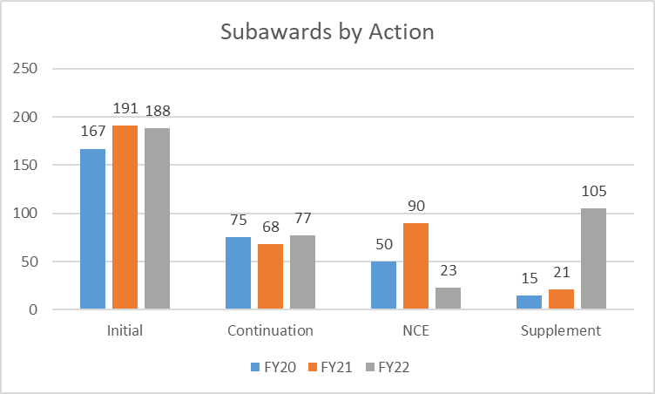
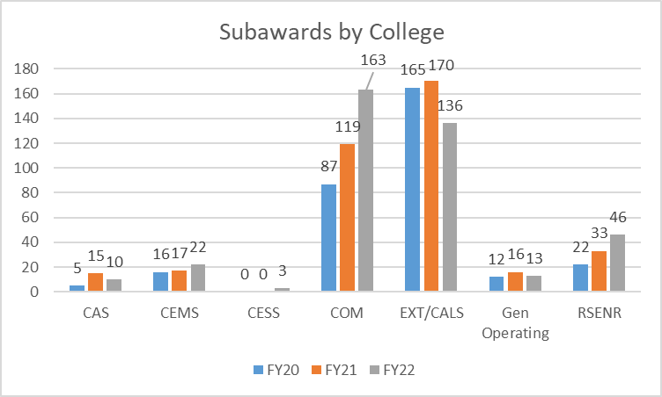
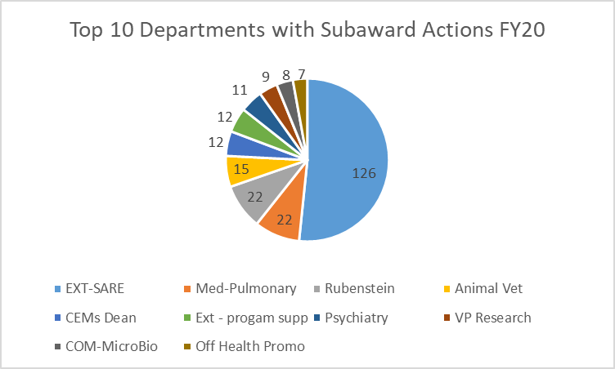
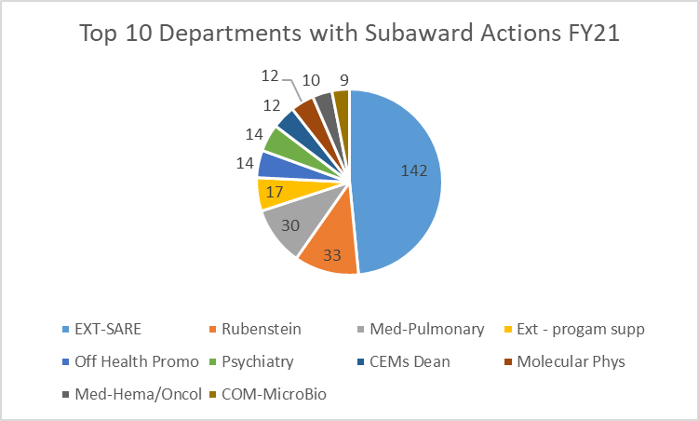
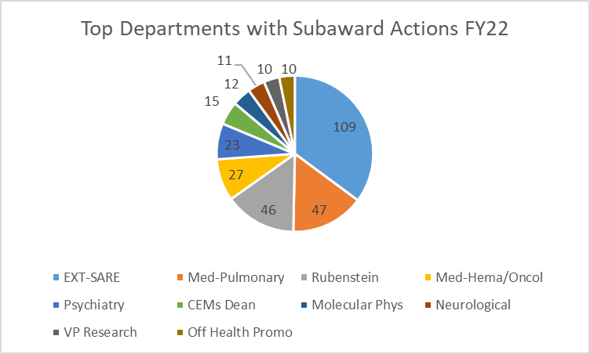
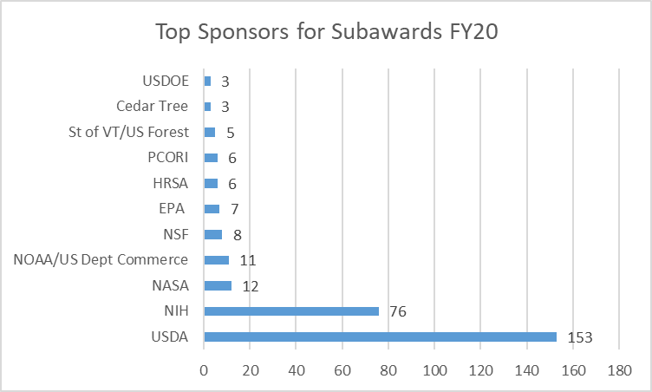
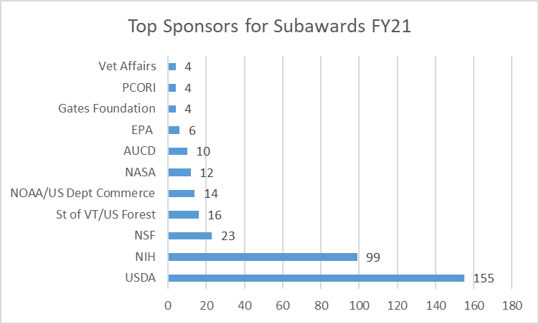
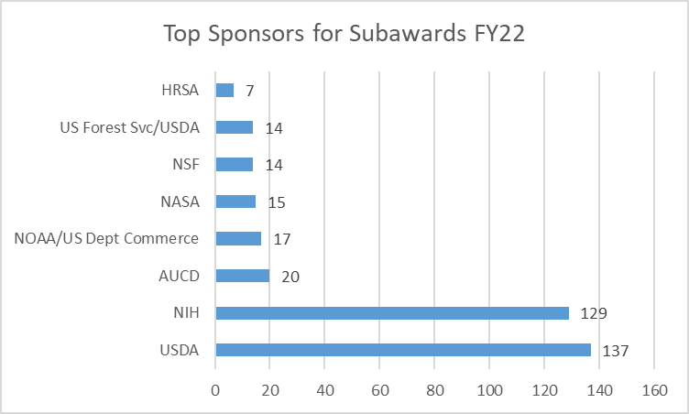
Action | Fully executed between 7/1/19 and 6/30/20 (FY20) | Fully executed between 7/1/20 and 6/30/21 (FY21) | Fully executed between 7/1/21 and 6/30/22 (FY22) | Quarterly Subaward Annual Totals | FY20 | FY21 | FY22 | Subaward Actions Quarter 1 | FY20 Q1 | FY21 Q1 | FY22 Q1 | Subaward Actions Quarter 2 | FY20 Q2 | FY21 Q2 | FY22 Q2 | Subaward Actions Quarter 3 | FY20 Q3 | FY21 Q3 | FY22 Q3 | Subaward Actions Quarter 4 | FY20 Q4 | FY21 Q4 | FY22 Q4
Initial | 167 | 191 | 188 | Quarter 1 | 98 | 140 | 103 | Initial | 61 | 78 | 55 | Initial | 36 | 34 | 60 | Initial | 19 | 25 | 26 | Initial | 50 | 54 | 47
Continuation | 75 | 68 | 77 | Quarter 2 | 65 | 72 | 106 | Continuation | 25 | 32 | 28 | Continuation | 18 | 11 | 18 | Continuation | 17 | 10 | 15 | Continuation | 16 | 15 | 16
Supplement | 15 | 21 | 23 | Quarter 3 | 59 | 68 | 76 | Supplement | 4 | 1 | 5 | Supplement | 8 | 9 | 8 | Supplement | 3 | 7 | 5 | Supplement | 0 | 4 | 5
NCE | 50 | 90 | 105 | Quarter 4 | 85 | 90 | 108 | NCE | 8 | 29 | 15 | NCE | 3 | 18 | 20 | NCE | 20 | 25 | 30 | NCE | 19 | 18 | 40
Total: | 307 | 370 | 393 | Total: | 307 | 370 | 393 | Total: | 98 | 140 | 103 | Total: | 65 | 72 | 106 | Total: | 59 | 67 | 76 | Total: | 85 | 91 | 108

